T_w(t)->T_s(t)
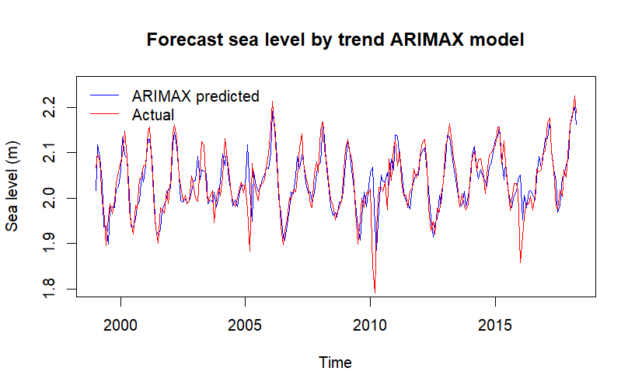
ARIMAX CV T_w(t) -> T_s(t) |  | (3,1,5)
ARIMAX(p,d,q) | ( 0, 0, 0 ) | ( 1, 0, 0 ) | ( 2, 0, 0 ) | ( 3, 0, 0 ) | ( 4, 0, 0 ) | ( 5, 0, 0 ) | ( 0, 1, 0 ) | ( 1, 1, 0 ) | ( 2, 1, 0 ) | ( 3, 1, 0 ) | ( 4, 1, 0 ) | ( 5, 1, 0 ) | ( 0, 0, 1 ) | ( 1, 0, 1 ) | ( 2, 0, 1 ) | ( 3, 0, 1 ) | ( 4, 0, 1 ) | ( 5, 0, 1 ) | ( 0, 1, 1 ) | ( 1, 1, 1 ) | ( 2, 1, 1 ) | ( 3, 1, 1 ) | ( 4, 1, 1 ) | ( 5, 1, 1 ) | ( 0, 0, 2 ) | ( 1, 0, 2 ) | ( 2, 0, 2 ) | ( 3, 0, 2 ) | ( 4, 0, 2 ) | ( 5, 0, 2 ) | ( 0, 1, 2 ) | ( 1, 1, 2 ) | ( 2, 1, 2 ) | ( 3, 1, 2 ) | ( 4, 1, 2 ) | ( 5, 1, 2 ) | ( 0, 0, 3 ) | ( 1, 0, 3 ) | ( 2, 0, 3 ) | ( 3, 0, 3 ) | ( 4, 0, 3 ) | ( 5, 0, 3 ) | ( 0, 1, 3 ) | ( 1, 1, 3 ) | ( 2, 1, 3 ) | ( 3, 1, 3 ) | ( 4, 1, 3 ) | ( 5, 1, 3 ) | ( 0, 0, 4 ) | ( 1, 0, 4 ) | ( 2, 0, 4 ) | ( 3, 0, 4 ) | ( 4, 0, 4 ) | ( 5, 0, 4 ) | ( 0, 1, 4 ) | ( 1, 1, 4 ) | ( 2, 1, 4 ) | ( 3, 1, 4 ) | ( 4, 1, 4 ) | ( 5, 1, 4 ) | ( 0, 0, 5 ) | ( 1, 0, 5 ) | ( 2, 0, 5 ) | ( 3, 0, 5 ) | ( 4, 0, 5 ) | ( 5, 0, 5 ) | ( 0, 1, 5 ) | ( 1, 1, 5 ) | ( 2, 1, 5 ) | ( 3, 1, 5 ) | ( 4, 1, 5 ) | ( 5, 1, 5 )
MAPE | 0.0149881 | 0.0027497 | 0.0010790 | 0.0011119 | 0.0011116 | 0.0009907 | 0.0026779 | 0.0009131 | 0.0009437 | 0.0009367 | 0.0009527 | 0.0009631 | 0.0077124 | 0.0017051 | 0.0010814 | 0.0010730 | 0.0011119 | 0.0010252 | 0.0016804 | 0.0009186 | 0.0009749 | 0.0009861 | 0.0009805 | 0.0009982 | 0.0046380 | 0.0013464 | 0.0011220 | 0.0010637 | 0.0010421 | 0.0010393 | 0.0015137 | 0.0009295 | 0.0009856 | 0.0009897 | 0.0009788 | 0.0009692 | 0.0029368 | 0.0013698 | 0.0009836 | 0.0010072 | 0.0009905 | 0.0010853 | 0.0013354 | 0.0008731 | 0.0009064 | 0.0009261 | 0.0010137 | 0.0009717 | 0.0024007 | 0.0012267 | 0.0010096 | 0.0009899 | 0.0010174 | 0.0010152 | 0.0011953 | 0.0008788 | 0.0009538 | 0.0009620 | 0.0009803 | 0.0010246 | 0.0021262 | 0.0008608 | 0.0008928 | 0.0009006 | 0.0008998 | 0.0009289 | 0.0007637 | 0.0008974 | 0.0009508 | 0.0006961 | 0.0007721 | 0.0008013
RMSE | 0.0203279 | 0.0034127 | 0.0015611 | 0.0015942 | 0.0015681 | 0.0014436 | 0.0033527 | 0.0015708 | 0.0015918 | 0.0015827 | 0.0014650 | 0.0014464 | 0.0105015 | 0.0021344 | 0.0015529 | 0.0015380 | 0.0015398 | 0.0014594 | 0.0021094 | 0.0015677 | 0.0015504 | 0.0015502 | 0.0014487 | 0.0014548 | 0.0062694 | 0.0021599 | 0.0015866 | 0.0015173 | 0.0014670 | 0.0014719 | 0.0021819 | 0.0015758 | 0.0015578 | 0.0015557 | 0.0015248 | 0.0014488 | 0.0039780 | 0.0017532 | 0.0014519 | 0.0014872 | 0.0013855 | 0.0015016 | 0.0017118 | 0.0014394 | 0.0014458 | 0.0014374 | 0.0015022 | 0.0014522 | 0.0031777 | 0.0016190 | 0.0014599 | 0.0014497 | 0.0014728 | 0.0014598 | 0.0015927 | 0.0014330 | 0.0014156 | 0.0014290 | 0.0014695 | 0.0014777 | 0.0027896 | 0.0014256 | 0.0014671 | 0.0014930 | 0.0013923 | 0.0013976 | 0.0013970 | 0.0014410 | 0.0014809 | 0.0013259 | 0.0013631 | 0.0013722

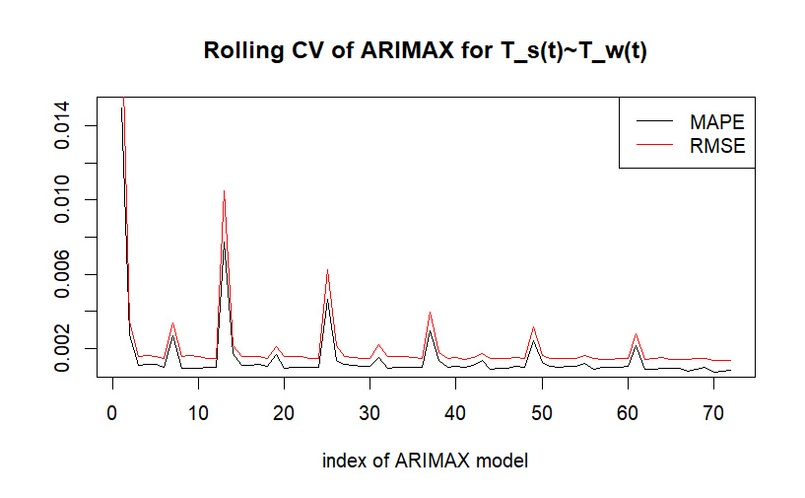
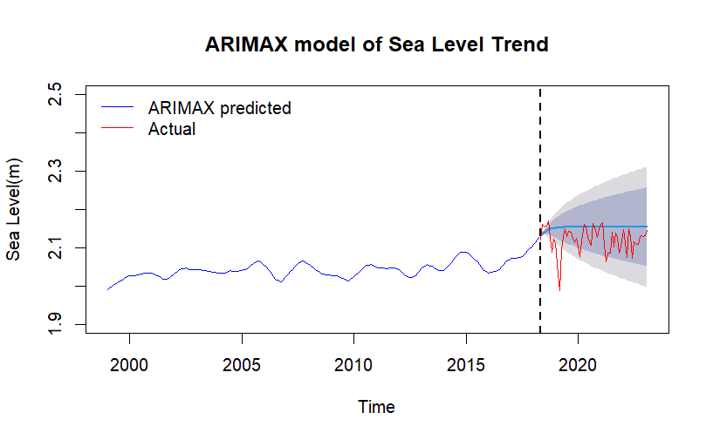

T_s(s) ~ T_w(t) ARIMAX MAPE for test dataset: |  |  |  |  |  |  | 0.01722064
T_s(s) ~ T_w(t) ARIMAX RMSE for test dataset: |  |  |  |  |  |  | 0.04714598
T_s(s) ~ T_w(t) ARIMAX MAPE for training dataset sea level: |  |  |  |  |  |  | 0.01319473
T_s(s) ~ T_w(t) ARIMAX RMSE for training dataset sea level: |  |  |  |  |  |  | 0.03872349

T_a(t)->T_s(t)
ARIMAX CV T_a(t) -> T_s(t) |  | (3,1,5)
ARIMAX(p,d,q) | ( 0, 0, 0 ) | ( 1, 0, 0 ) | ( 2, 0, 0 ) | ( 3, 0, 0 ) | ( 4, 0, 0 ) | ( 5, 0, 0 ) | ( 0, 1, 0 ) | ( 1, 1, 0 ) | ( 2, 1, 0 ) | ( 3, 1, 0 ) | ( 4, 1, 0 ) | ( 5, 1, 0 ) | ( 0, 0, 1 ) | ( 1, 0, 1 ) | ( 2, 0, 1 ) | ( 3, 0, 1 ) | ( 4, 0, 1 ) | ( 5, 0, 1 ) | ( 0, 1, 1 ) | ( 1, 1, 1 ) | ( 2, 1, 1 ) | ( 3, 1, 1 ) | ( 4, 1, 1 ) | ( 5, 1, 1 ) | ( 0, 0, 2 ) | ( 1, 0, 2 ) | ( 2, 0, 2 ) | ( 3, 0, 2 ) | ( 4, 0, 2 ) | ( 5, 0, 2 ) | ( 0, 1, 2 ) | ( 1, 1, 2 ) | ( 2, 1, 2 ) | ( 3, 1, 2 ) | ( 4, 1, 2 ) | ( 5, 1, 2 ) | ( 0, 0, 3 ) | ( 1, 0, 3 ) | ( 2, 0, 3 ) | ( 3, 0, 3 ) | ( 4, 0, 3 ) | ( 5, 0, 3 ) | ( 0, 1, 3 ) | ( 1, 1, 3 ) | ( 2, 1, 3 ) | ( 3, 1, 3 ) | ( 4, 1, 3 ) | ( 5, 1, 3 ) | ( 0, 0, 4 ) | ( 1, 0, 4 ) | ( 2, 0, 4 ) | ( 3, 0, 4 ) | ( 4, 0, 4 ) | ( 5, 0, 4 ) | ( 0, 1, 4 ) | ( 1, 1, 4 ) | ( 2, 1, 4 ) | ( 3, 1, 4 ) | ( 4, 1, 4 ) | ( 5, 1, 4 ) | ( 0, 0, 5 ) | ( 1, 0, 5 ) | ( 2, 0, 5 ) | ( 3, 0, 5 ) | ( 4, 0, 5 ) | ( 5, 0, 5 ) | ( 0, 1, 5 ) | ( 1, 1, 5 ) | ( 2, 1, 5 ) | ( 3, 1, 5 ) | ( 4, 1, 5 ) | ( 5, 1, 5 )
MAPE | 0.0127686 | 0.0027294 | 0.0010918 | 0.0011035 | 0.0011206 | 0.0010205 | 0.0027032 | 0.0009292 | 0.0009538 | 0.0009357 | 0.0009324 | 0.0009420 | 0.0065872 | 0.0016906 | 0.0011053 | 0.0010693 | 0.0010942 | 0.0010586 | 0.0016664 | 0.0009324 | 0.0009650 | 0.0009900 | 0.0009553 | 0.0009658 | 0.0039620 | 0.0012639 | 0.0011190 | 0.0010779 | 0.0010798 | 0.0010812 | 0.0015210 | 0.0009497 | 0.0009773 | 0.0009595 | 0.0009428 | 0.0009387 | 0.0025622 | 0.0013664 | 0.0009924 | 0.0009929 | 0.0010550 | 0.0010896 | 0.0013437 | 0.0008795 | 0.0008821 | 0.0009184 | 0.0009595 | 0.0009588 | 0.0022984 | 0.0012188 | 0.0010266 | 0.0010126 | 0.0010429 | 0.0010363 | 0.0012189 | 0.0008832 | 0.0009615 | 0.0009556 | 0.0009712 | 0.0009784 | 0.0018658 | 0.0008708 | 0.0008945 | 0.0009000 | 0.0009226 | 0.0009033 | 0.0007600 | 0.0009084 | 0.0009261 | 0.0007036 | 0.0007477 | 0.0007812
RMSE | 0.0165786 | 0.0033837 | 0.0015576 | 0.0015597 | 0.0015581 | 0.0014554 | 0.0033504 | 0.0015887 | 0.0016139 | 0.0015982 | 0.0014560 | 0.0014419 | 0.0085731 | 0.0021309 | 0.0015536 | 0.0015203 | 0.0015108 | 0.0014937 | 0.0021132 | 0.0015878 | 0.0015534 | 0.0015661 | 0.0014361 | 0.0014517 | 0.0051538 | 0.0020312 | 0.0015596 | 0.0015002 | 0.0015105 | 0.0015237 | 0.0021138 | 0.0015993 | 0.0015616 | 0.0015199 | 0.0015715 | 0.0014592 | 0.0033320 | 0.0017120 | 0.0014476 | 0.0014390 | 0.0014964 | 0.0014921 | 0.0017257 | 0.0014274 | 0.0014018 | 0.0014249 | 0.0014552 | 0.0014464 | 0.0030349 | 0.0015729 | 0.0014742 | 0.0014583 | 0.0014935 | 0.0014841 | 0.0016140 | 0.0014246 | 0.0014328 | 0.0014368 | 0.0014572 | 0.0013876 | 0.0023696 | 0.0014383 | 0.0014725 | 0.0014780 | 0.0014066 | 0.0013861 | 0.0014060 | 0.0014480 | 0.0014389 | 0.0013609 | 0.0013716 | 0.0013800

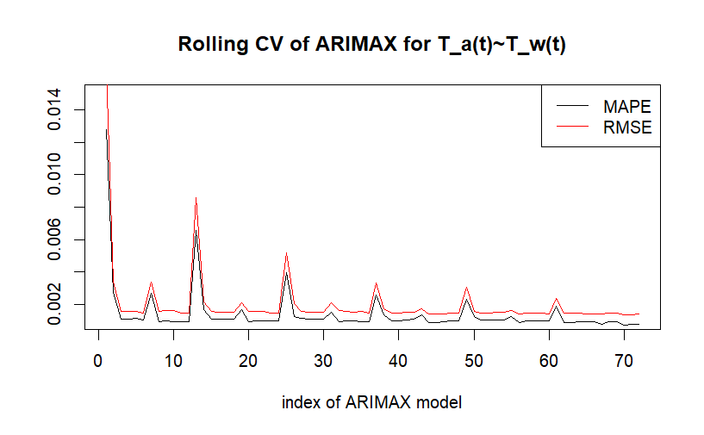



T_s(s) ~ T_a(t) ARIMAX MAPE for test dataset: |  |  |  |  |  |  | 0.01720734
T_s(s) ~ T_a(t) ARIMAX RMSE for test dataset: |  |  |  |  |  |  | 0.04721692
T_s(s) ~ T_a(t) ARIMAX MAPE for training dataset sea level: |  |  |  |  |  |  | 0.01319571
T_s(s) ~ T_a(t) ARIMAX RMSE for training dataset sea level: |  |  |  |  |  |  | 0.03873266

T_w(t)+T_a(t)->T_s(t)
ARIMAX CV T_w(t) + T_a(t) -> T_s(t) |  | (3,1,5)
ARIMAX(p,d,q) | ( 0, 0, 0 ) | ( 1, 0, 0 ) | ( 2, 0, 0 ) | ( 3, 0, 0 ) | ( 4, 0, 0 ) | ( 5, 0, 0 ) | ( 0, 1, 0 ) | ( 1, 1, 0 ) | ( 2, 1, 0 ) | ( 3, 1, 0 ) | ( 4, 1, 0 ) | ( 5, 1, 0 ) | ( 0, 0, 1 ) | ( 1, 0, 1 ) | ( 2, 0, 1 ) | ( 3, 0, 1 ) | ( 4, 0, 1 ) | ( 5, 0, 1 ) | ( 0, 1, 1 ) | ( 1, 1, 1 ) | ( 2, 1, 1 ) | ( 3, 1, 1 ) | ( 4, 1, 1 ) | ( 5, 1, 1 ) | ( 0, 0, 2 ) | ( 1, 0, 2 ) | ( 2, 0, 2 ) | ( 3, 0, 2 ) | ( 4, 0, 2 ) | ( 5, 0, 2 ) | ( 0, 1, 2 ) | ( 1, 1, 2 ) | ( 2, 1, 2 ) | ( 3, 1, 2 ) | ( 4, 1, 2 ) | ( 5, 1, 2 ) | ( 0, 0, 3 ) | ( 1, 0, 3 ) | ( 2, 0, 3 ) | ( 3, 0, 3 ) | ( 4, 0, 3 ) | ( 5, 0, 3 ) | ( 0, 1, 3 ) | ( 1, 1, 3 ) | ( 2, 1, 3 ) | ( 3, 1, 3 ) | ( 4, 1, 3 ) | ( 5, 1, 3 ) | ( 0, 0, 4 ) | ( 1, 0, 4 ) | ( 2, 0, 4 ) | ( 3, 0, 4 ) | ( 4, 0, 4 ) | ( 5, 0, 4 ) | ( 0, 1, 4 ) | ( 1, 1, 4 ) | ( 2, 1, 4 ) | ( 3, 1, 4 ) | ( 4, 1, 4 ) | ( 5, 1, 4 ) | ( 0, 0, 5 ) | ( 1, 0, 5 ) | ( 2, 0, 5 ) | ( 3, 0, 5 ) | ( 4, 0, 5 ) | ( 5, 0, 5 ) | ( 0, 1, 5 ) | ( 1, 1, 5 ) | ( 2, 1, 5 ) | ( 3, 1, 5 ) | ( 4, 1, 5 ) | ( 5, 1, 5 )
MAPE | 0.0122771 | 0.0026814 | 0.0011367 | 0.0011375 | 0.0011318 | 0.0010623 | 0.0026626 | 0.0009500 | 0.0009572 | 0.0009715 | 0.0009699 | 0.0009703 | 0.0063628 | 0.0017215 | 0.0011486 | 0.0011248 | 0.0011292 | 0.0010854 | 0.0016847 | 0.0009537 | 0.0009984 | 0.0010103 | 0.0009766 | 0.0009887 | 0.0038774 | 0.0012981 | 0.0011608 | 0.0011321 | 0.0011101 | 0.0010978 | 0.0015201 | 0.0009675 | 0.0009956 | 0.0009619 | 0.0009239 | 0.0009364 | 0.0025066 | 0.0013683 | 0.0010280 | 0.0010377 | 0.0010609 | 0.0010636 | 0.0013256 | 0.0008920 | 0.0009144 | 0.0009493 | 0.0010052 | 0.0009857 | 0.0022874 | 0.0012593 | 0.0010162 | 0.0010202 | 0.0010689 | 0.0010623 | 0.0012024 | 0.0008954 | 0.0009673 | 0.0009629 | 0.0009816 | 0.0009927 | 0.0018314 | 0.0009245 | 0.0008912 | 0.0009056 | 0.0009374 | 0.0009120 | 0.0007769 | 0.0009014 | 0.0009171 | 0.0007196 | 0.0007665 | 0.0007872
RMSE | 0.0161152 | 0.0033793 | 0.0016034 | 0.0015976 | 0.0015836 | 0.0015255 | 0.0033966 | 0.0016455 | 0.0016431 | 0.0016480 | 0.0015061 | 0.0014869 | 0.0083369 | 0.0021659 | 0.0015970 | 0.0015782 | 0.0015756 | 0.0015461 | 0.0021466 | 0.0016434 | 0.0016055 | 0.0016011 | 0.0014807 | 0.0014804 | 0.0050790 | 0.0021282 | 0.0016287 | 0.0015809 | 0.0015668 | 0.0015396 | 0.0022272 | 0.0016558 | 0.0016098 | 0.0015679 | 0.0015370 | 0.0014778 | 0.0032764 | 0.0017395 | 0.0014934 | 0.0014943 | 0.0015214 | 0.0015071 | 0.0017537 | 0.0014750 | 0.0014672 | 0.0014748 | 0.0015036 | 0.0014959 | 0.0029788 | 0.0016631 | 0.0014841 | 0.0014868 | 0.0015411 | 0.0015160 | 0.0016150 | 0.0014699 | 0.0014511 | 0.0014560 | 0.0015009 | 0.0014921 | 0.0023551 | 0.0015118 | 0.0014717 | 0.0015044 | 0.0014389 | 0.0014042 | 0.0014350 | 0.0014670 | 0.0014613 | 0.0013805 | 0.0013927 | 0.0014075

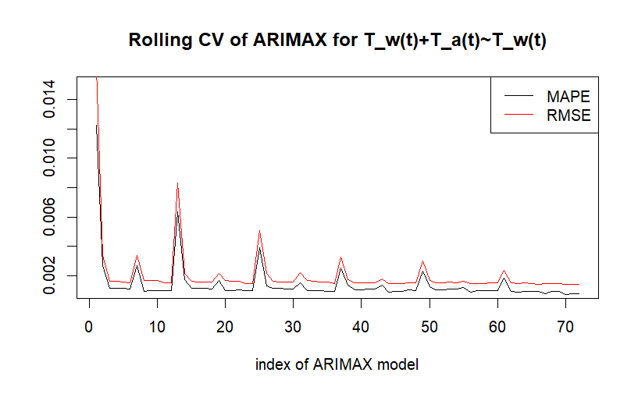

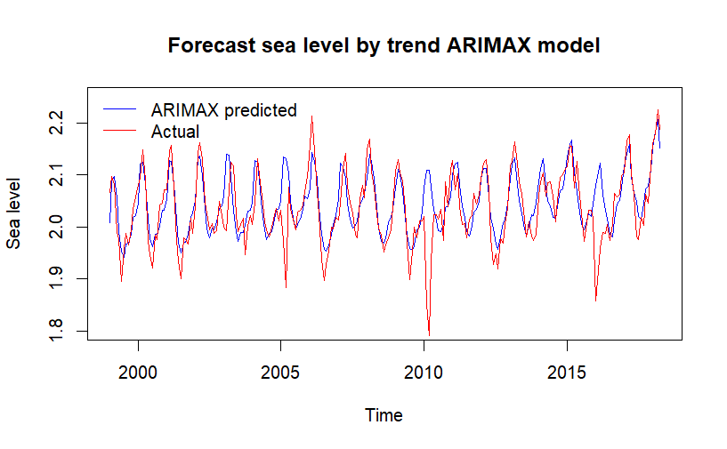

T_s(s) ~ T_a(t)+T_w(t) ARIMAX MAPE for test dataset: |  |  |  |  |  |  |  | 0.01773
T_s(s) ~ T_a(t)+T_w(t) ARIMAX RMSE for test dataset: |  |  |  |  |  |  |  | 0.04832676
T_s(s) ~ T_a(t)+T_w(t) ARIMAX MAPE for training dataset sea level: |  |  |  |  |  |  |  | 0.01594713
T_s(s) ~ T_a(t)+T_w(t) ARIMAX RMSE for training dataset sea level: |  |  |  |  |  |  |  | 0.05172952

